03_Summary
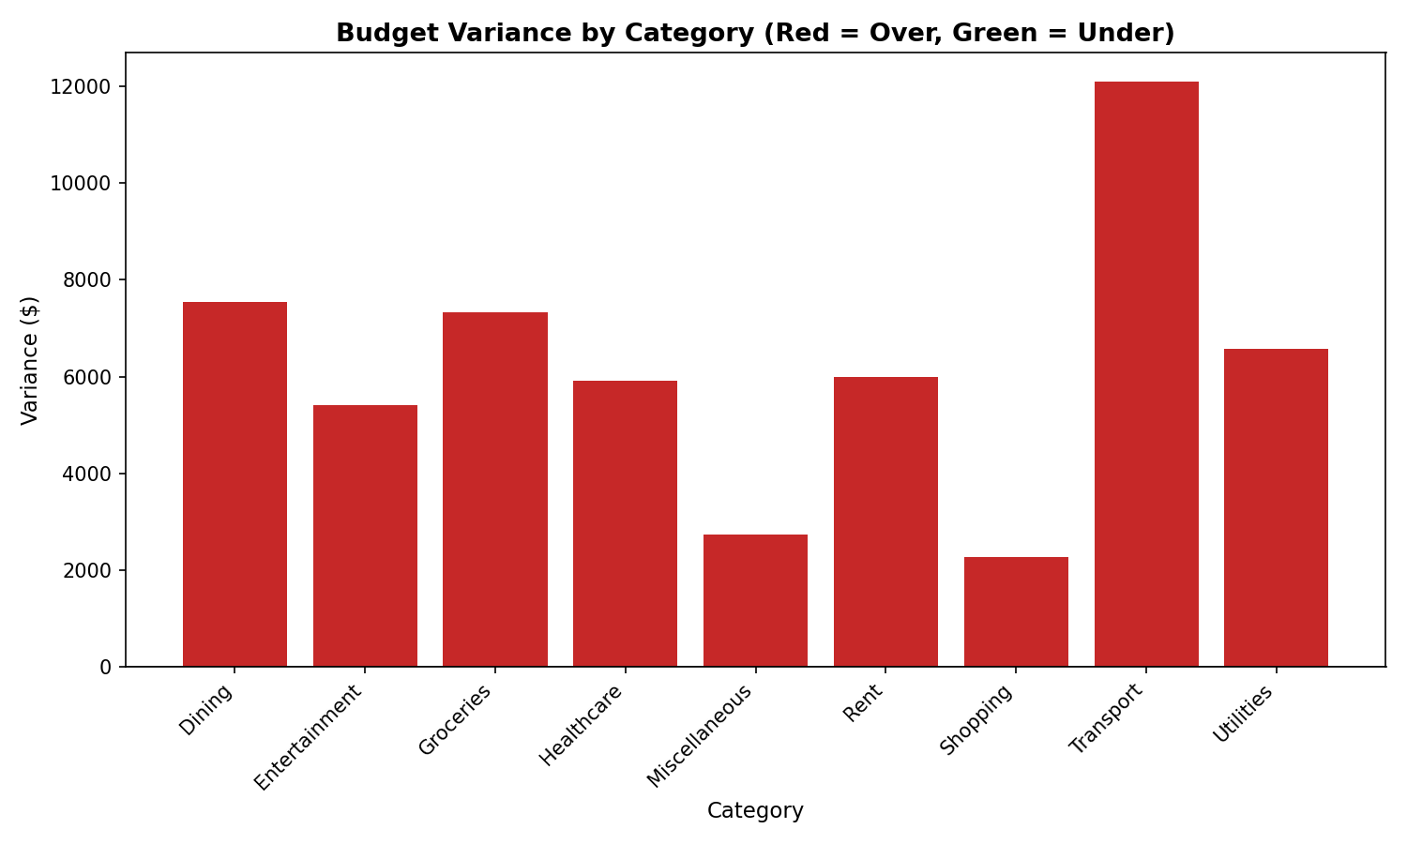
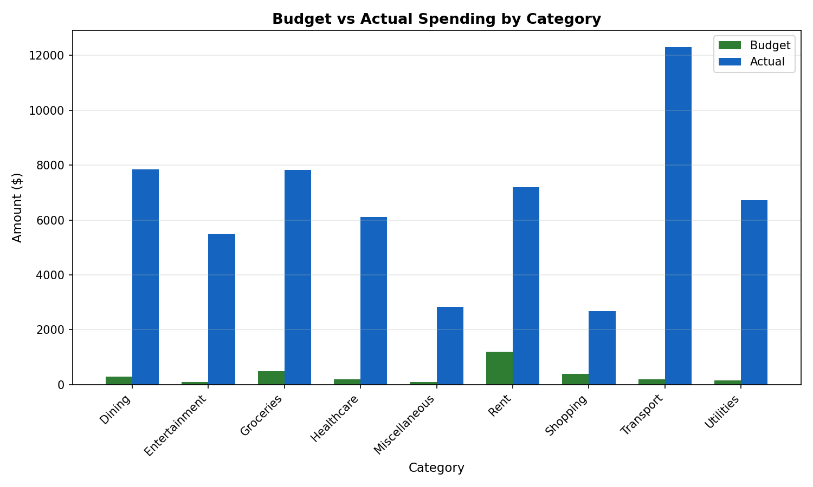
Category | Budget_Limit | Actual_Spend | Variance | Variance_Pct | Status
Dining | 300 | 7842.5 | 7542.5 | 2514.1666667 | Over Budget
Entertainment | 100 | 5504.03 | 5404.03 | 5404.03 | Over Budget
Groceries | 500 | 7821.81 | 7321.81 | 1464.362 | Over Budget
Healthcare | 200 | 6109.34 | 5909.34 | 2954.67 | Over Budget
Miscellaneous | 100 | 2839.93 | 2739.93 | 2739.93 | Over Budget
Rent | 1200 | 7185.82 | 5985.82 | 498.81833333 | Over Budget
Shopping | 400 | 2674.73 | 2274.73 | 568.6825 | Over Budget
Transport | 200 | 12296.16 | 12096.16 | 6048.08 | Over Budget
Utilities | 150 | 6713.51 | 6563.51 | 4375.6733333 | Over Budget

